Matlab Outputs
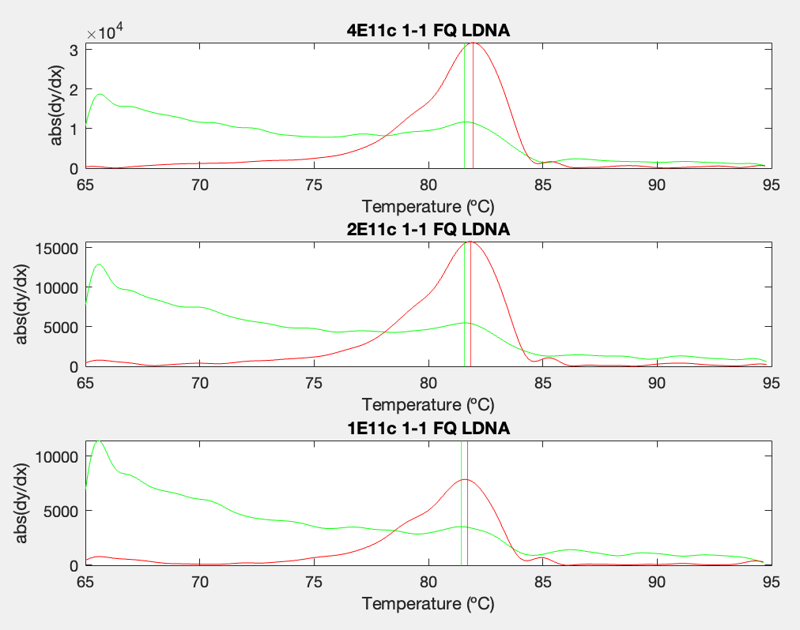
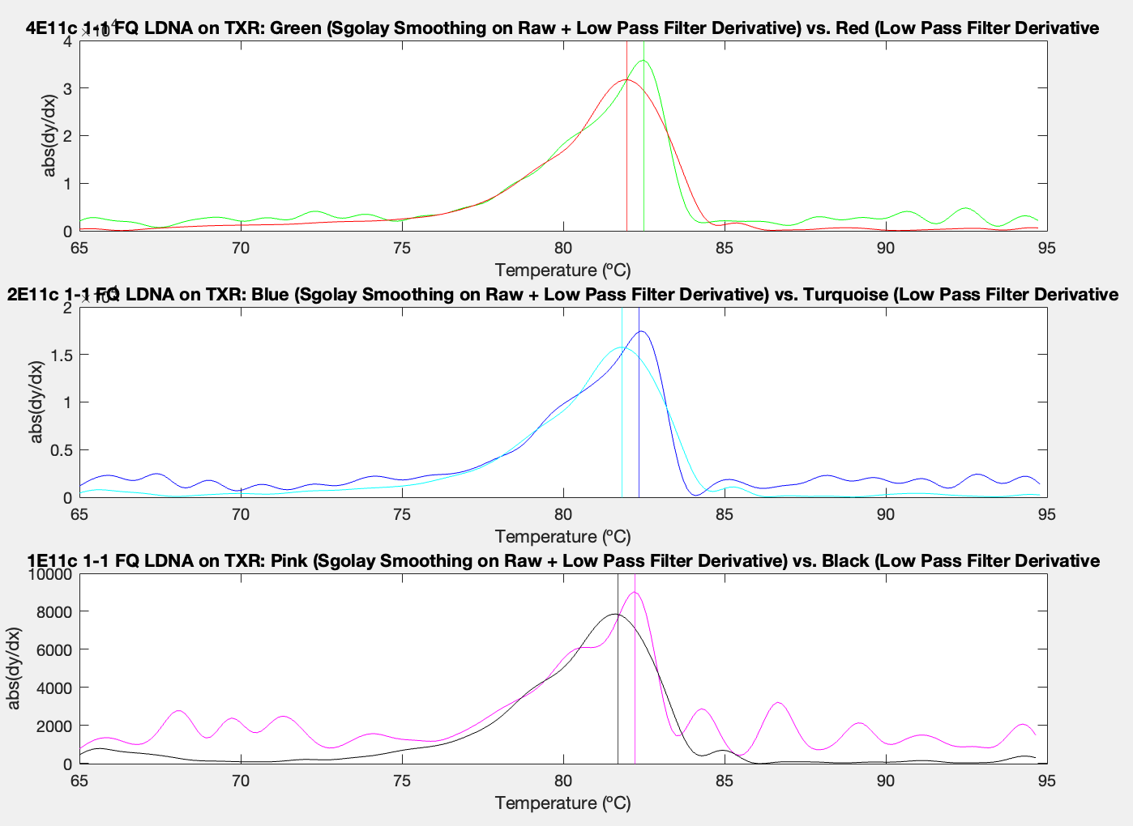
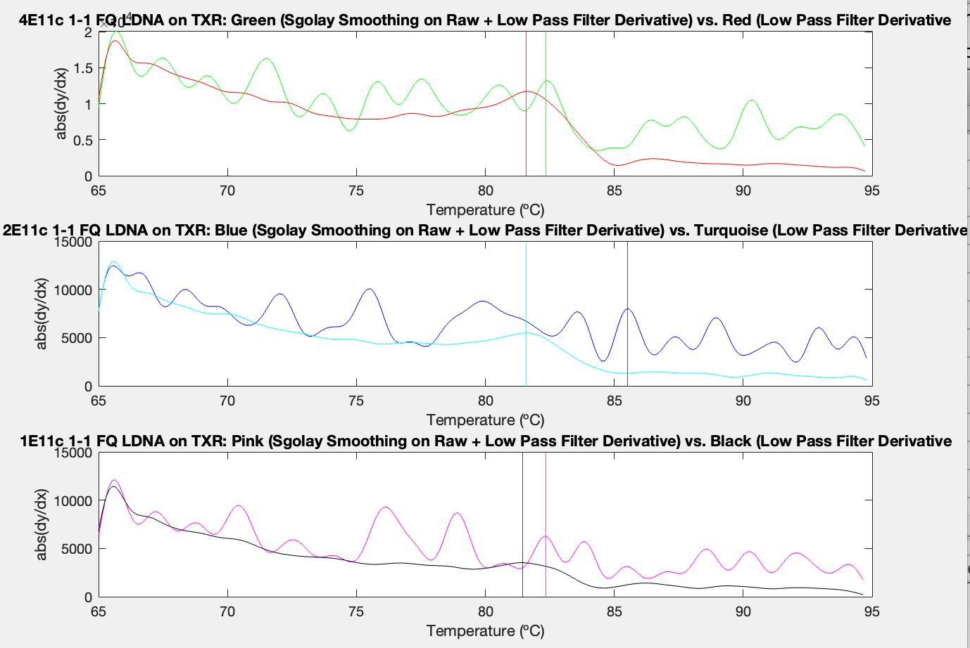
Expt 231 Matlab Processed Tms | Using Matlab Tm acquisition across points 120:227

Well | A1 | A2 | A3 | E1 | E1 | E2 | E2 | E3 | E3 | E4 | E4 | E5 | E5 | E6 | E6 | E7 | E7 | E8 | E8 | E9 | E9
Sample | NTC | NTC | NTC | 4E11 LCGR | 4E11 TXR | 4E11 LCGR | 4E11 TXR | 4E11 LCGR | 4E11 TXR | 2E11 LCGR | 2E11 TXR | 2E11 LCGR | 2E11 TXR | 2E11 LCGR | 2E11 TXR | 1E11 LCGR | 1E11 TXR | 1E11 LCGR | 1E11 TXR | 1E11 LCGR | 1E11 TXR
Tm (Sgolay Smoothing on Raw + Low Pass Filter Derivative) | 81.307426453 | 80.649902344 | 80.649902344 | 81.57043457 | 81.964950562 | 81.57043457 | 81.964950562 | 81.701942444 | 81.964950562 | 81.57043457 | 81.833450317 | 81.307426453 | 81.701942444 | 81.57043457 | 81.701942444 | 81.438934326 | 81.701942444 | 80.649902344 | 81.57043457 | 81.438934326 | 81.57043457
Tm (Low Pass Filter Derivative) | 84.200538635 | 84.463546753 | 84.463546753 | 82.359466553 | 82.490966797 | 80.912910461 | 82.490966797 | 82.490966797 | 82.490966797 | 85.515586853 | 82.359466553 | 83.937530518 | 82.359466553 | 80.649902344 | 82.227958679 | 82.359466553 | 82.227958679 | 88.145690918 | 82.359466553 | 81.175918579 | 82.359466553

Sample (N=3 technical reps) | NTC | 4E11 LCGR | 4E11 TXR | 2E11 LCGR | 2E11 TXR | 1E11 LCGR | 1E11 TXR
Avg Tm (Sgolay Smoothing on Raw + Low Pass Filter Derivative) | 80.869 | 81.614 | 81.965 | 81.483 | 81.746 | 81.176 | 81.614
Stdev (Sgolay + LowPass) | 0.380 | 0.076 | 0.000 | 0.152 | 0.076 | 0.456 | 0.076
Avg Tm (Low Pass Filter Derivative) | 84.376 | 81.921 | 82.491 | 83.368 | 82.316 | 83.894 | 82.316
Stdev (LowPass) | 0.152 | 0.876 | 0.000 | 2.482 | 0.076 | 3.730 | 0.076

TXR vs LCGR - smooth analysis - broken down by LDNA conc E231 |  |  |  |  |  | TXR - smooth vs raw analysis - broken down by LDNA conc E231 |  |  |  |  |  |  |  | LC Gr Plus - smooth vs raw analysis - broken down by LDNA conc E231

